Current and Future Inventory
DESCRIPTION | PICTURE | STATUS | SALE PRICE | LOWEST SALE PRICE
Blue/gray dual-gun Firerat Fire Edition linked fully automatic water gun |  | Currently in Stock | $89.95 | $74.99
Full Automatic Large CapacityLight up Electric Water Gun-blue |  | Currently in Stock | $67.99 | $57.50
Phantom Fire Electric Water Gun-blue |  | Currently in Stock | $49.99 | $40.00
Gatling electric continuous fire water cannon |  | Currently in Stock | $129.99 | $99.00
Large Electric Water Gun Toy |  | Currently in Stock | $69.99 | $60.00
Light up Electric Automatic |  | Currently in Stock | $64.99 | $57.50
Diving Submarine |  | Currently in Stock | $49.95 | $40.00
Hovering Submarine |  | Currently in Stock | $49.95 | $40.00
Water Spraying Diving Whale |  | Currently in Stock | $49.95 | $40.00
Remote-controlled simulation of the Manta-Ray |  | Currently in Stock | $49.95 | $40.00
Automatic Water Gun with Lights and High Powered Summer Outdoor Toys for Kids - Black |  | Currently in Stock | $74.99 | $62.50
Automatic Water Absorption Electric Continuous Spray Gun Outdoor Water Fight Water Spray Kids Toys - Blue |  | Currently in Stock | $54.95 | $47.50
DIY Balloon Machine |  | Coming by 3rd Week of July | $49.99 | $47.50
Balloon accessories set | 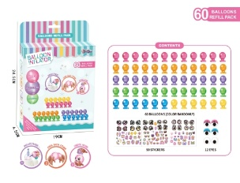 | Coming by 3rd Week of July | $34.99 | $27.50
Single Barrel Gatling Electric Water Gun |  | Coming by 3rd Week of July | $79.99 | $69.00
Gel Pellet Shooting Tank |  | Coming by 3rd Week of July | $69.99 | $59.00
Uzzi Electronic Water Gun | 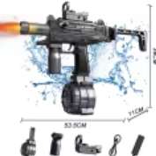 | Coming by 3rd Week of July | $79.99 | $69.00
Uzzi Electronic Water Gun with Back Pack |  | Coming by 3rd Week of July | $84.99 | $72.00
Cool high pressure water gun - 14m shooting range with lights |  | Coming by 3rd Week of July | $64.99 | $55.00

